26-0063
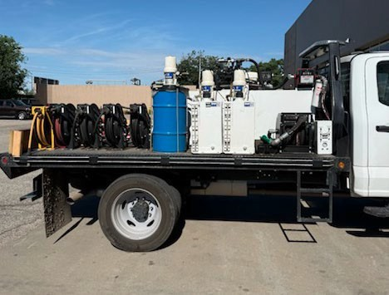
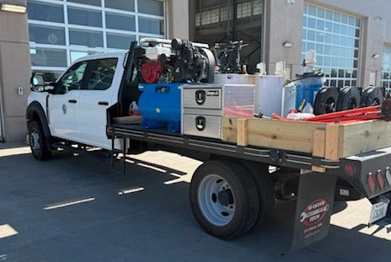
BOCC APPROVAL AUGUST 12, 2026
BOARD OF BIDS AND CONTRACTS AUGUST 6, 2026

7. 1 TON 4WD DUAL WHEEL CREW CAB LONG BED FLATBED TRUCK -- FLEET MANAGEMENT /
PUBLIC WORKS
FUNDING -- FLEET MANAGEMENT
(Request sent to 106 vendors)

RFB #26-0063 PR# Pending
 | Don Hattan Ford | East Coast Truck & Trailer Sales, Inc.
1 Ton 4WD Dual Wheel Crew Cab Long Bed Flatbed Truck | $121,900.00 | $107,717.00
Make, Model, Year: | 2027 Ford F-450 Crew 4WD | 2027 Ford F-450 Crew Cab 4WD Gas Engine
Order Cutoff Date: | N/A | Cutoff Dates for Model Year 2027 have not been Announced
Delivery Date: | 90-120 Days from Order ETA | January-February of 2027
Acknowledged Addenda | Yes | Yes
 | EMAG Lebanon FD LLC dba Ed Morse Ford Lebanon | Parks Motors
1 Ton 4WD Dual Wheel Crew Cab Long Bed Flatbed Truck | $84,952.00 | $89,507.00
Make, Model, Year: | 2027 Ford F450 | 2027 Ram 4500
Order Cutoff Date: | Open 2027 | N/A
Delivery Date: | 120-160 Days Est. | 90 to 160 Days from Order
Acknowledged Addenda | N/A | Yes
No Bid | Whiteside of St. Clairsville, Inc
On the recommendation of Britt Rosencutter, on behalf of Fleet Management and Public Works, Tim Myers moved to accept the low bid from EMAG Lebanon FD LLC dba Ed Morse Ford Lebanon in the amount of $84,952.00. Corey Stokes seconded the motion. The motion passed unanimously.
This truck is used by Public Works to fuel, top off oil, grease, and hydraulic fluid in equipment on job sites. It will also pull a trailer with a skid steer when needed.
Notes:
Fleet evaluates all vehicles and equipment up for replacement before requesting bids.
Vehicle # Year Make & Model VIN # Points Mileage
0080 2011 Ford F350 1FDRF3GT6BEB49571 18.6 127,300
This is a replacement vehicle. Surplus will be sold at auction.
Questions and Answers
Tania Cole: I see Beau’s here. Beau, this meets our points and was this on our list for 2026 for replacement?
Beau Bergeron: Yes, this was planned for replacement this year.

