26-0053
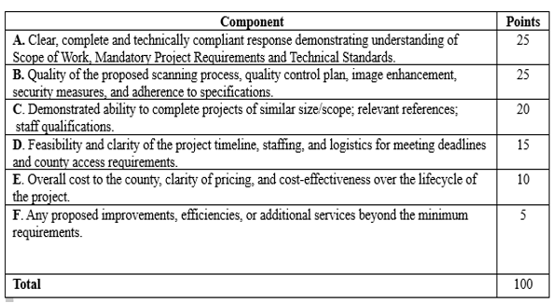
BOCC APPROVAL AUGUST 19, 2026
BOARD OF BIDS AND CONTRACTS AUGUST 13, 2026

2. REGISTER OF DEEDS LEGACY DOCUMENT IMAGING & BOOK SCANNING
SOLUTION -- REGISTER OF DEEDS
FUNDING -- REGISTER OF DEEDS
(Request sent to 148 vendors)

RFP #26-0053 Contract
 | Business Imaging Systems, Inc. | Creekside Digital dba Civil War Microfilm Inc. | Data Management International, Inc. dba DMI
Register of Deeds Legacy Document Imaging & Book Scanning Solution | $1,018,500.00 | $1,440,728.00 | $747,200.00
 | DigitalFusion | Fidlar Technologies, Inc. | Imaging Office Systems, Inc.
Register of Deeds Legacy Document Imaging & Book Scanning Solution | $630,000.00 | $1,626,400.00 | $990,000.00
 | Interesting Interests dba Horus Technology | Konica Minolta Business Solutions U.S.A., Inc. | Philip Milton dba vscore.ai
Register of Deeds Legacy Document Imaging & Book Scanning Solution | $434,840.00 | $1,341,415.00 | $383,500.00
No Submission |  | GRM Information Management Services
On the recommendation of Lee Barrier, on behalf of the Register of Deeds, Corey Stokes moved to accept the proposal from Fidlar Technologies, Inc. in the amount of $1,626,400.00. Brandi Baily seconded the motion. The motion passed unanimously.
A committee comprised of Tonya Buckingham, Kenly Zehring, and Kim Stigall, Register of Deeds; Laura Hadley, Division of Information Technology (DIT); and Lee Barrier, Purchasing, evaluated the proposal responses based on the criteria set forth in the RFP. The committee unanimously agreed to accept the proposal from Fidlar Technologies, Inc.
The Register of Deeds is moving forward with the next phase of its records project, which includes legacy document imaging and book scanning. This project will involve scanning and digitizing approximately 2,600 to 2,800 books. Once completed, the images will be imported into the Register of Deeds’ current recording system, allowing staff and the public to securely view and order records online.
Fidlar Technologies, Inc. will provide the required imaging services, including secure document handling, inventory tracking, image processing, quality control, OCR recognition, and final image delivery in the required format. The vendor will also provide project tracking reports and coordinate with county staff throughout the project.
Notes:
This is a proposal and not a bid. Proposals are based on criteria set forth in the RFP. There are six (6) components to this RFP:
Questions and Answers
Philip Davolt: I know this is a proposal and not a bid so the fact there is a wide range of costs presented, I'm guessing that these lower costs were not adequate in the total points awarded to them.
Lee Barrier: Correct. There were some that proposed offsite solutions, which is not what we wanted. We needed somebody to be onsite and there were varying degress of levels of service that came in to play as well.
Tania Cole: Do we know how long this project is going to take?
Lee Barrier: Kenly, do we have an estimated timeframe?
Kenly Zehring: They said it would take approximately a year.
Tania Cole: So Fidlar Technologies will be onsite here doing the imaging then?
Kenly Zehring: Yes and the actual scanning of the documents will take anywhere from two (2) to three (3) months to scan. They'll be onsite 24/7.
Tania Cole: What happens to those books after they have been scanned? Do they stay with you or will they go to Records?
Kenly Zehring: We're going to move them to Records.
Tania Cole: I saw that you had Laura Hadley on here from IT. Is this any type of IT coordination in this project?
Kenly Zehring: As far as getting the images uploaded into our system, they would have to coordinate the technical aspects of that. I don't know the exact technical language but Laura's team would be involved.
Philip Davolt: Are there any security or confidential concerns that require you to have this onsite versus offsite?
Kenly Zehring: These are permanent records and history. If we lose these records, we wouldn't have a backup. That's why we are requiring them to remain onsite.

